GANTT-Diagramm - Seite 1 von 3
Projekt "Mobile Bike Fitting" |  |  |  |  |  |  | SEITE 1Teil 1

 |  |  |  |  |  | J a h r 2 0 24
 | PW1 | PW2 | PW3 | PW4 | PW5 | PW6 | PW7 | PW8 | PW9 | PW10 | PW11 | PW12 | PW10 | PW11 | PW12
 | KW43 | KW44 | KW45 | KW46 | KW47 | KW48 | KW49 | KW50 | KW51 | KW52 | KW1 | KW2 | KW3 | KW4 | KW5
 | GANTT Diagram Project Outlines
WP1
Project Definition

 |  |  |  | Live Pose Estimation
WP2:
OpenPose Setup

 |  |  |  |  | lowest crank position
WP3:
Extracting important frames

 |  |  |  |  |  |  | angles as in ref 1 calculated
WP4:
Construction of angles

 |  |  |  |  |  |  |  |  |  | App with angle estimation |  |  |  | Finished App
WP5:
App Developement

 |  |  |  |  |  |  |  |  |  |  |  |  | angles to change estimation
WP6:
Asses change from angles

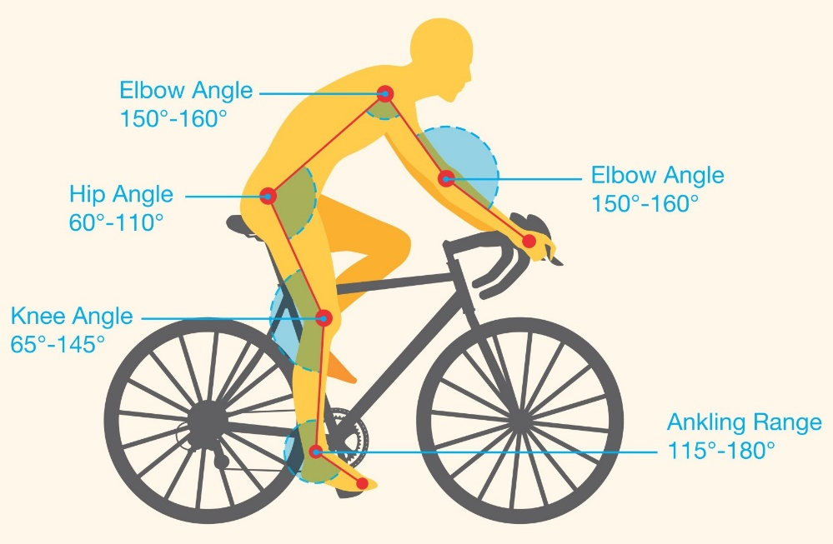

ref 1

